DASHBOARD
Nigeria Car Market

Average Vehicle Metrics: Nigeria Car Market

₦5.0M
28.4K
217
3.1K
(cc)
(Km)
(hp)
Location : Nigeria-Africa
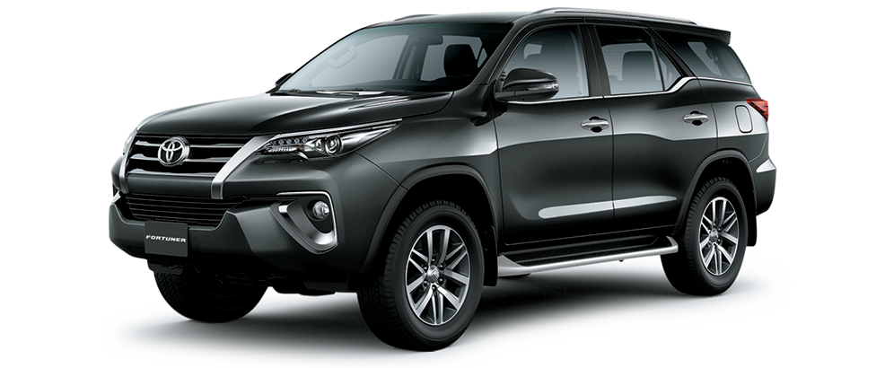
Price
Milage
Horse Power
Engine

Top 10 most popular car brand in Nigeria
 | Total
Acura | 56
Ford | 135
Honda | 310
Hyundai | 97
Kia | 57
Lexus | 289
Mercedes-Benz | 261
Nissan | 111
Toyota | 1126
Volkswagen | 56

Which Colour win? Top 10 picks for Nigerian Cars
 | Total
Beige | 18
Black | 741
Blue | 323
Brown | 46
Gold | 149
Gray | 498
Green | 100
Red | 205
Silver | 484
White | 279

 | Total
Automatic | 2702
Manual | 171
Nigeria Drivers choice ; Automatic or Manual

Insights on Pricing, Milage and Performance : Source from Car45.com

